Sheet2
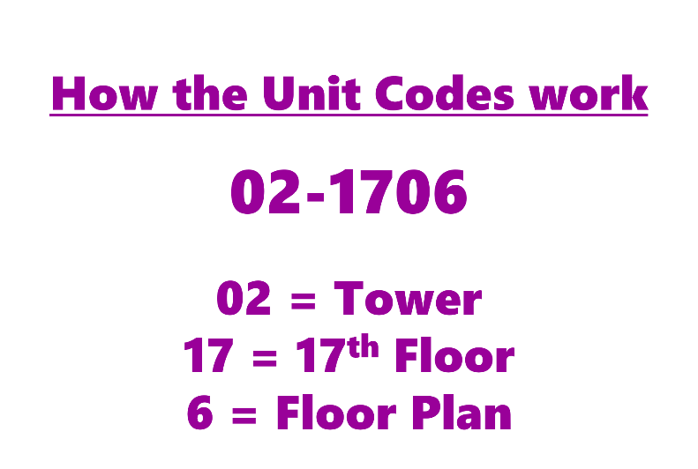
UNIT CODE | Rent
01-0402 | $1,725
01-0702 | $1,725

CHALLENGE
• Find the minimum and maximum rents based on these criteria:
★ Tower 1 or 3
★ Floor Plan 9
01-1001 | $1,725
01-1010 | $2,370
01-1909 | $1,350
01-2806 | $2,200
01-3710 | $2,305
01-3906 | $2,295
01-4002 | $1,725
02-0306 | $2,280 | MAX | 2020
02-1510 | $2,240 | MIN | 1350
02-1706 | $2,280
02-1806 | $2,355
02-1906 | $2,305
02-1908 | $1,440
02-2206 | $2,205
02-2409 | $1,440
02-2410 | $2,370
02-2910 | $2,280
02-3010 | $2,370
02-3210 | $2,310
02-3310 | $2,355
02-3508 | $1,440
02-3909 | $1,350
02-4008 | $1,440
03-0606 | $2,395
03-0809 | $2,000
03-0910 | $2,460
03-1102 | $1,815
03-1109 | $2,020
03-2006 | $2,400
03-3006 | $2,430
03-3508 | $1,475
03-3508 | $1,475
03-3509 | $2,015
03-4006 | $2,430
03-4208 | $1,385
03-4209 | $1,995
03-4210 | $2,485
03-4214 | $1,640

